Grand Summary
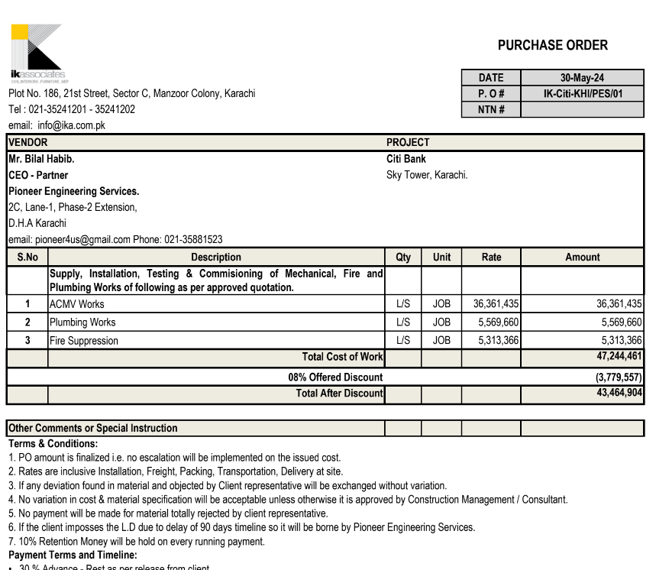

CITIBANK
PROJECT: CITIBANK OFFICES, DOLMEN SKY TOWERS KARACHI
 |  | (ISSUED FOR TENDER)
Date: 12-01-2024

ID WORKS BOQ/SPECIFICATIONS SUMMARY

 | Divisions | Description of Work | Amounts

 | 1 | ACMV | 33,452,520
 | 2 | Plumbing | 5,124,087
 | 3 | Fire Suppression | 4,888,297

 |  | Grand Total (in PKR): | 43,464,904

 |  | VARIATION | 1,621,492

 |  | Grand Total | 45,086,396
 |  | ADD 4.5% Tax | 2,028,888
 |  | GRAND TOTAL | 47,115,283

 |  | Received | 27,277,412

 |  | Remaining | 19,837,871

Note:
i. | Contractor to verify and coordinate DRAWINGS + BOQ, Discrepancies to be noted to architect. Since it is a lumpsum contract cost variation will not be entertained after awards of work.
ii. | Quantities are indicative and to the best of our understanding however, vendor to verify all quantities during RFP to ensure nothing is missed.
iii. | Any item that may be required for a successful closure of project, kindly add it as a separate line item during RFP.
iv. | Rates should be inclusive of WHT.
v. | All certifications and documentations to be submitted by GC for respective items as required by LEEDs.

Sheet1
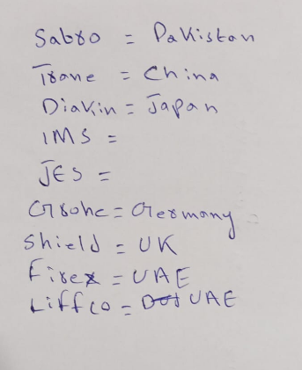

CITI BANK
Material | Lead Time | Make | Origin
DFCU | 8 to 10 weeks | SABRO / TRANE | PAKISTAN / CHINA
WCPU | 18 to 20 weeks | DAIKIN | JAPAN
VAVS | 8 to 10 weeks | BARCOL / HONEYWELL | NEITHERLAND / USA
Plumbing Fixtures | 6 to 8 weeks | GROHE | GERMANY
Fire Extinghuisers | 8 to 10 weeks | Sheild / FIREX / LIFFCO | UK / UAE / UAE
Sprinklers | 8 to 10 weeks | Sheild / FIREX / LIFFCO | UK / UAE / UAE

